Summary
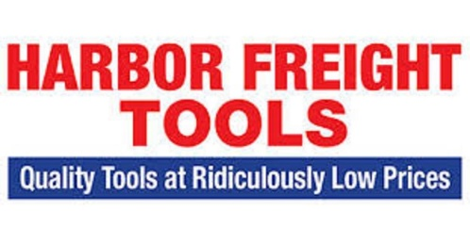
SUPPLIER | Facility | Bol | Category | Pallets | Retail Price | Your Price $
Harbor Freight | SC | 842 | TOOLS | 25 | $68,697.46 | $18,500.00
Harbor Freight | SC | 1361 | TOOLS | 25 | $68,947.81 | $18,500.00
Harbor Freight | SC | 1362 | TOOLS | 25 | $70,151.94 | $18,500.00
Harbor Freight | SC | 1365 | TOOLS | 25 | $68,686.63 | $18,500.00
Harbor Freight | SC | 1366 | TOOLS | 25 | $69,832.41 | $18,500.00
Harbor Freight | SC | 1368 | TOOLS | 25 | $68,927.56 | $18,500.00
Harbor Freight | LA | 1258 | TOOLS | 25 | $86,091.37 | $23,300.00
Harbor Freight | LA | 1328 | TOOLS | 50 | $196,626.42 | $46,580.00
Harbor Freight | LA | 1348 | TOOLS | 50 | $193,107.99 | $47,100.00
Harbor Freight | LA | 1349 | TOOLS | 25 | $77,183.20 | $21,100.00
Harbor Freight | LA | 1363 | TOOLS | 25 | $81,400.97 | $23,600.00
Harbor Freight | LA | 1367 | TOOLS | 25 | $80,566.43 | $21,410.00

